Sheet1


M/S Fakhri Brothers |  |  |  |  |  | 19-May-25
PO # 024
Att: Mr. Mustafa Majal

PURCHASE ORDER

Supply of Following material for the project (Abbot Pharma Ocean Tower)
S No. | D e s c r i p t i o n | Brand | Qty | Unit | Rate | Amount
1 | Concealed Pendent Sprinkler with Paint Finish and Cover Plate (Quick Response) | Sheild | 223 | Nos | 4,953 | 1,104,578
2 | Pendent Sprinkler (Quick Response) | Sheild | 20 | Nos | 1,762 | 35,244
3 | Upright Sprinkler Head Quick Response | Sheild | 3 | Nos | 1,429 | 4,286
4 | Supply and install of Corrugated Stainless Steel Flexible Connector 1inch x 3ft (ULFM) | Shiled | 223 | Nos | 7,144 | 1,593,142
5 | Dry Powder Extinguisher Capacity 5 kg | NAFFCO | 2 | Nos | 12,569 | 25,138
6 | CO2 Fire Extinguisher Capacity 5 Kg | NAFFCO | 2 | Nos | 23,838 | 47,675
7 | Automatic Dry Powder Fire Extinguisher 6 kg | NAFFCO | 6 | Nos | 18,637 | 111,820
8 | Gate Valve with Supervisory Switch |  |  |  | 0 | 0
i | 6" | Shiled | 2 | Nos | 127,423 | 254,846
9 | Ball Valve |  |  |  | 0 | 0
i | 2" | Shiled | 2 |  | 13,350 | 26,700
10 | Supply, installation, testing & commissioning of Novec 1230 Fire Supression System with all valves and accessories, control panels, control switches etc:- complete as per drawings & specifications. |  |  |  | 0 | 0
i | Data Room (945 ft3) (11th Floor) | NAFFCO 1230 | 1 | Set | 1,509,633 | 1,509,633
ii | Data Room (1260 ft3) (12th Floor) | NAFFCO 1230 | 1 | Set | 1,457,403 | 1,457,403
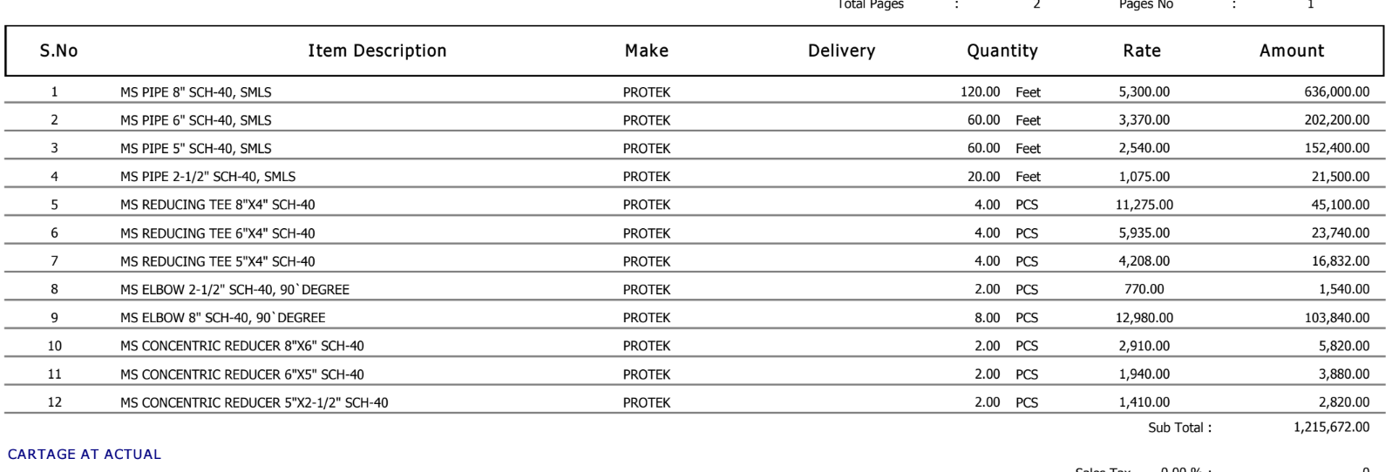
 |  |  | TOTAL: |  |  | 6,170,466
Discount 8% |  |  |  |  |  | 493,637
Total amount |  |  |  |  |  | 5,676,829

Note: Above PO is subject to approval from the consultant.

for PIONEER ENGINEERING SERVICES

